Schedule
Venue
Field Address | Ben Davis High School | 1200 N Girls School Rd, Indianapolis, IN 46214
Field Type | Turf; football stadium
Locker Rooms | Yes w/ showers

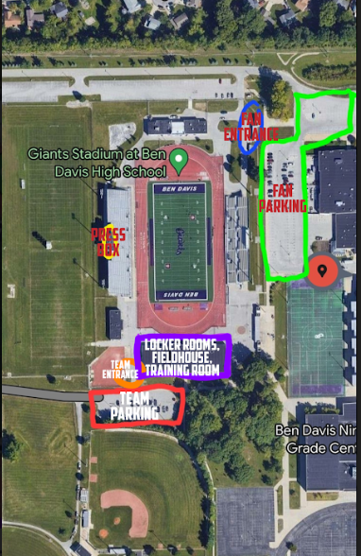
Contacts
Operations Contact | Jacob Long | 219-381-0692 | indyredultimate@gmail.com
Alt Contact | Kelly Vogeler | 720-670-0537 | indyredultimate@gmail.com
Team Contact | Jamie Smets | 317-730-7559 | indyredultimate@gmail.com

Schedule (all eastern time)
4/6/2024
15:30:00 | Field/Locker Rooms Available
16:00:00 | AT Available
17:00:00 | Game Start (Land acknowledgment & player announcement)
Half-Time (10 mins) | Disc Crazy Halftime show
19:30:00 | AT Leaves (3.5 hours)
19:45:00 | Venue Closes
20:00:00 | Post Game Venue at TBD

Game Footage
Livestream |  | Stream URL | Stream Key
Universe Point Productions: Heath |  | rtmp://a.rtmp.youtube.com/live2 | ch4c-kg5s-tzac-yua0-61uq
317-446-9267

